Информация
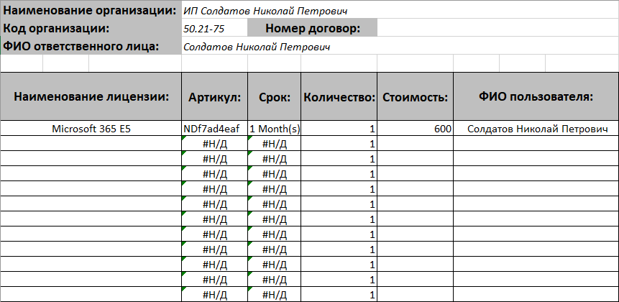
Как работать с шаблоном
Используйте шаблон запроса, который был прислан Вам вместе с договором

Не меняйте структуру файла
Не добавляйте и не удаляйте листы и столбцы. Не меняйте порядок столбцов и не скрывайте их.
Правильно заполняйте строки
Для каждого артикула используйте отдельную строку. Пример смотрите на скриншоте =>
Заполните нужные поля
Наименование организации - должна быть та организация, которая указана в договоре. Код организации - он был выдан Вам в момент регистрации в системе CD. Заполните номер договора. ФИО ответственного лица - он указан в договоре. Именно это лицо будет нести ответственность за лицензирование. Выберите Наименование лицензии, автоматически подставится артикур, срок и стоимость за 1 лицензию на 1 пользователя. Укажите количество лицензий на 1 пользователя. Заполните ФИО пользователя, который будет использовать программный продукт.
Сохраните запрос

Отправьте запрос
Отправьте запрос по каналам ЭДО. Или по email на hq@teamnay.ru, в таком случае будьте готовы, что мы Вам перезвоним и уточним детали заказа, чтобы убедиться, что это вы действительно отправили заказ.

